Introduction
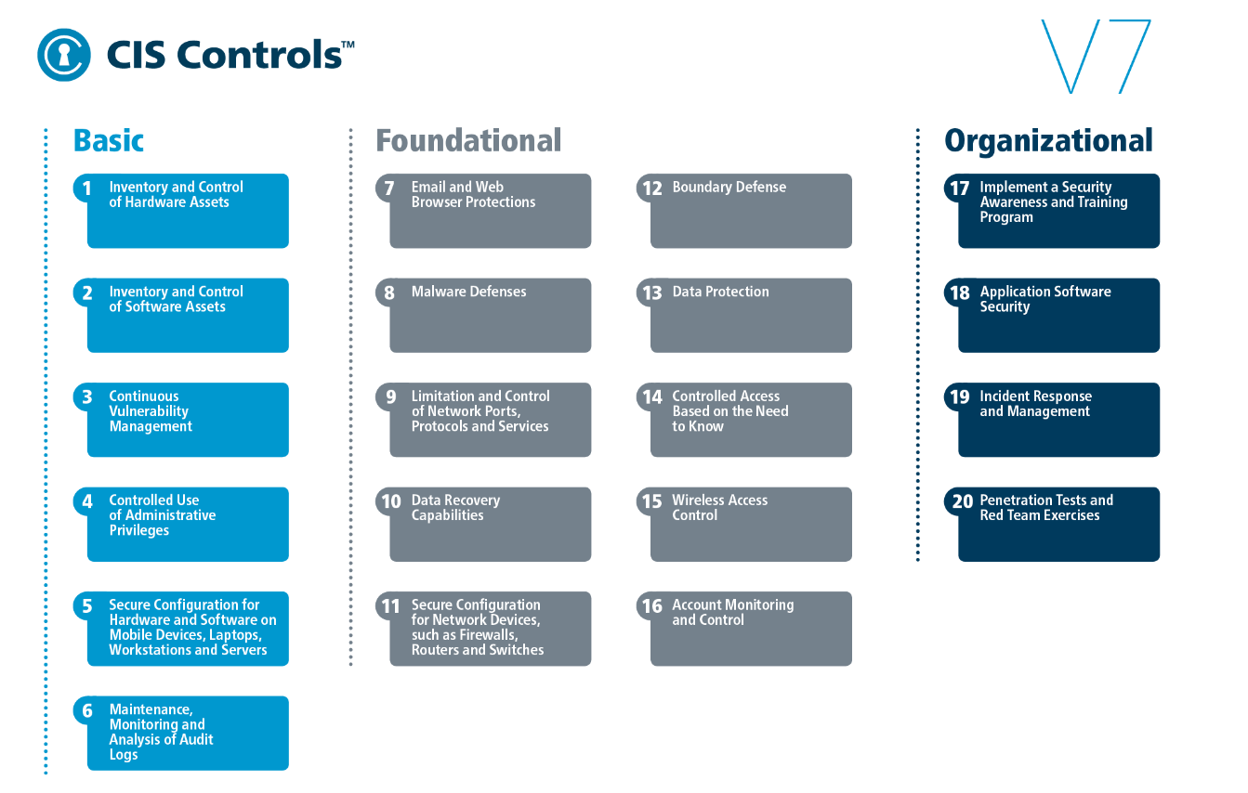

CIS Controls Cloud Companion Guide

Be sure to download our PDF with details around each CIS Control and Sub-Control

Introduction

The CIS Controls™ are a prioritized set of actions that collectively form a defense-in-depth set of best practifces that mitigate the most common attacks against systems and networks. The CIS Controls are developed by a community of IT experts who apply their first-hand experience as cyber defenders to create these globally accepted security best practices. The experts who develop the CIS Controls come from a wide range of sectors including, retail, manufacturing, healthcare, education, government, defense, and others. So, while the CIS Controls address the general practices that most organizations should take to secure their systems, some operational environments may present unique requirements not addressed by the CIS Controls.

The Center for Internet Security, Inc.
(CIS) is a 501(c)(3) nonprofit organization
whose mission is to identify, develop,
validate, promote, and sustain best practices
in cybersecurity; deliver world-class
cybersecurity solutions to prevent and
rapidly respond to cyber incidents;
and build and lead communities to enable
an environment of trust in cyberspace.
For additional information, go to
https://www.cisecurity.org/
We are at a fascinating point in the evolution of what we now call cyber defense. To help us understand the cyber threat, we have seen the emergence of threat information feeds, reports, tools, alert services, standards, and threat-sharing frameworks. To top it all off, we are surrounded by security requirements, risk management frameworks, compliance regimes, regulatory mandates, and so forth. There is no shortage of information available to security practitioners on what they should do to secure their infrastructure. But all of this technology, information, and oversight has become a veritable “Fog of More” – competing options, priorities, opinions, and claims that can paralyze or distract an enterprise from vital action. Business complexity is growing, dependencies are expanding, users are becoming more mobile, and the threats are evolving. New technology brings us great benefits, but it also means that our data and applications are distributed across multiple locations, many of which are not within our organization’s infrastructure.

Rather than chase every new exceptional threat and neglect the fundamentals, how can we get on track with a roadmap of fundamentals and guidance for measures and improve? How can we get on track with a roadmap of fundamentals, and guidance to measure and improve cloud security? Which CIS Controls and defensive steps are applicable and have the greatest value?

The CIS Controls started as a grassroots activity to cut through the "Fog of More" and focus on the most fundamental and valuable actions that every enterprise should take. This companion guide will break down and map the applicable Controls and their implementation for the cloud environment. As the CIS Controls continue to be refined and re-worked through the community, the call for this CIS Controls Guidance for the cloud was identified as one of the high priority companion documents to be developed.

While many of the core security concerns of enterprise Information Technology (IT) systems are shared within cloud environments, the main challenge in applying best practices is tied to the fact that these systems typically operate software and hardware under different assumed security responsibilities. Ensuring and understanding that the service-level agreements (SLAs) and Legal Contracts with the Cloud Service Provider (CSP) highlight liability, service levels, breach disclosure, and incident response timeframes is an important piece of your cloud security. The shared security responsibility, as well as the specific cloud services and deployment models utilized, changes who handles the security requirements and whom the assumed security risk resides with. CSPs are constantly adding new functional services along with configuration and security tools to better manage them at a very rapid pace. As new tools become available, the cloud consumer should consider a hybrid approach using third-party tools along with CSP native security tools that best fit an organization's security and management needs. Company management processes should ensure there is overlap rather than gaps in coverage between native and third-party tools.
A cloud environment has four distinct service models that the application or service can fall under:
· IaaS (Infrastructure as a Service) is a cloud environment that computing resources such as virtual servers, storage, and networking hardware. The consumer utilizes their own software such as operating systems, middleware, and applications. The underlying cloud infrastructure is managed by the CSP.
· PaaS (Platform as a Service) is a cloud computing environment for development and management of a consumer’s applications. It includes the infrastructure hardware: virtual servers, storage, and networking while tying in the middleware and development tools to allow the consumer to deploy their applications. It is designed to support the complete application lifecycle while leaving the management of the underlying infrastructure to the CSP.
· SaaS (Software as a Service) is a cloud computing software solution that provides the consumer with access to a complete software product. The software application resides on a cloud environment and is accessed by the consumer through the web or an application program interface (API). The consumer can utilize the application to store and analyze data without having to worry about managing the infrastructure, service, or software, as that falls to the CSP.
· FaaS (Function as a Service) is a cloud computing service that allows the consumer to develop, manage, and run their application functionalities without having to manage and maintain any of the infrastructure that is required. The consumer can execute code in response to events that happen within the CSP or the application without having to build out or maintain a complex underlying infrastructure.
To complicate things even more, a cloud environment has multiple deployment models:
· Private cloud (on-prem) consists of all the computing resources being hosted and used exclusively by one consumer (organization) within its own offices and data centers. The consumer is responsible for the operational costs, hardware, software, and the resources required to build and maintain the infrastructure. This is best used for critical business operations and applications that require complete control and configurability.
· Private cloud (third-party hosted) is a private cloud that is hosted by an external third party provider. The third party provides an exclusive cloud environment for the consumer and manages the hardware. All costs associated with the maintenance is the responsibility of the consumer.
· Community cloud (shared) is a deployment solution where the computing resources and infrastructure are shared between several organizations. The resources can be managed internally or by a third party and they can be hosted on-prem or externally. The organizations share the cost and often have similar cloud security requirements and business objectives.
· Public cloud is an infrastructure and computing services hosted by a third party company defined as a CSP. It is available over the internet and the services are delivered through a self-service portal. The consumer is provided on-demand accessibility and scalability without the high overhead cost of maintaining the physical hardware and software. The CSP is responsible for the management and maintenance of the system while the consumer pays only for resources they use.
· Hybrid cloud is an environment that uses a combination of the three cloud deployment models, private cloud (on-prem), private cloud (third- party hosted), and public cloud with an orchestration service between the three deployment models.
These are the kinds of issues that led to and now drive the CIS Controls Cloud Companion Guide, https://www.cisecurity.org/resources/white-papers/?o=controls.

How to Use This Document

In this document, we provide guidance on how to apply the security best practices found in CIS Controls Version 7 to any cloud environment from the consumer/customer perspective. For each top-level CIS Control, there is a brief discussion of how to interpret and apply the CIS Control in such environments, along with any unique considerations or differences from common IT environments.

The applicability of specific CIS Controls and CIS Sub-Controls is addressed, and additional steps needed in any cloud environment are explained, based on the individual service models. Throughout this document, we take into consideration the unique mission/business requirements found in cloud environments, as well as the unique risks (vulnerabilities, threats, consequences, and security responsibilities), which in turn drive the priority of the security requirements (e.g., availability, integrity, and confidentiality of process data).

By walking through CIS Controls Version 7 with this companion guide, the reader should be able to tailor the CIS Controls in the context of a specific IT/OT cloud enterprise as an essential starting point for a security improvement assessment and roadmap.

Contact Information
CIS
31 Tech Valley Drive
East Greenbush, NY 12061
518.266.3460
controlsinfo@cisecurity.org

Instructions for Use


State Agencies Download a copy of the spreadsheet and rename it to the name of the agency cloud services project. Filter the controls based on the risk level of the information being used in the cloud, including all lower risk levels. For example, a Medium risk project would include Medium and Low risk controls. Select the type of cloud service being considered, and filter the controls to exclude the controls for which the agency is responsible. Optionally, hide the other cloud service columns. Review the controls to ensure they not only are applicable to the project, but that they also reflect any other applicable regulatory requirements for cloud services. Agencies are free to add additional controls or columns as needed to work with this tool.

